Masterdata
PICTURE | Article | Barcode | Brand | Color Code | Color | Gender | HS Code | Season | SIZE | Made In | Style / Model Name | Supplier Category | RRP | Qty
 | 45AK93A01.38NO | 3546459929570 | CELINE | 38NO | Black | FEMALE | 42033000 | SS25 | 70 | MADE IN ITALY | Medium 25mm Triomphe | BELTS | € 540.00 | 58
 | 45AK93A01.38NO | 3546459596154 | CELINE | 38NO | Black | FEMALE | 42033000 | SS25 | 75 | MADE IN ITALY | Medium 25mm Triomphe | BELTS | € 540.00 | 234
 | 45AK93A01.38NO | 3546459459343 | CELINE | 38NO | Black | FEMALE | 42033000 | SS25 | 80 | MADE IN ITALY | Medium 25mm Triomphe | BELTS | € 540.00 | 179
 | 45AK93A01.38NO | 3546459459350 | CELINE | 38NO | Black | FEMALE | 42033000 | SS25 | 85 | MADE IN ITALY | Medium 25mm Triomphe | BELTS | € 540.00 | 98
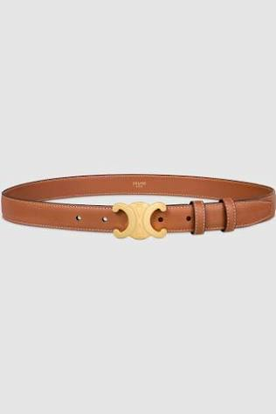 | 45AK93A78.04LU | 3546459929600 | CELINE | 04LU | TAN | FEMALE | 42033000 | SS25 | 70 | MADE IN ITALY | Medium 25mm Triomphe | BELTS | € 540.00 | 88
 | 45AK93A78.04LU | 3546459459381 | CELINE | 04LU | TAN | FEMALE | 42033000 | SS25 | 75 | MADE IN ITALY | Medium 25mm Triomphe | BELTS | € 540.00 | 48
 | 45AK93A78.04LU | 3546459459398 | CELINE | 04LU | TAN | FEMALE | 42033000 | SS25 | 80 | MADE IN ITALY | Medium 25mm Triomphe | BELTS | € 540.00 | 44
 | 45AK93A78.04LU | 3546459459404 | CELINE | 04LU | TAN | FEMALE | 42033000 | SS25 | 85 | MADE IN ITALY | Medium 25mm Triomphe | BELTS | € 540.00 | 51
 | 45AK92AC0.04LU | 3616900098183 | CELINE | 04LU | TAN | FEMALE | 42033000 | SS25 | 80 | MADE IN ITALY | Medium 25mm Triomphe Canvas | BELTS | € 500.00 | 45
 | 45AK92AC0.04LU | 3616900098190 | CELINE | 04LU | TAN | FEMALE | 42033000 | SS25 | 85 | MADE IN ITALY | Medium 25mm Triomphe Canvas | BELTS | € 500.00 | 40
 |  |  |  |  |  |  |  |  |  |  |  |  |  | 885

